PCB Specifications
Thickness | 1.4mm
Finish | ENIG gold
Flash Test | YES
Layers | 4
PCB Color | White

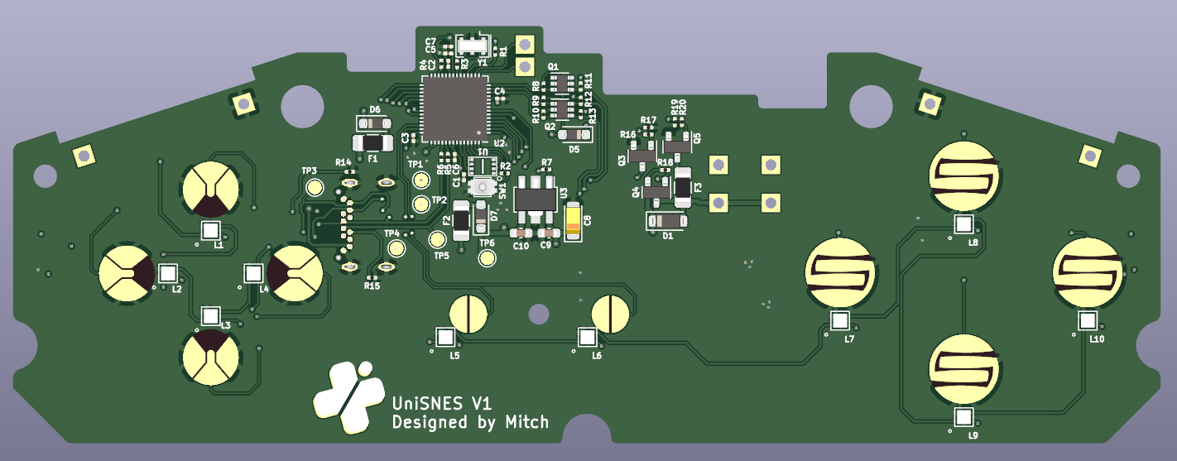
PCB LAYOUT PHOTO

